Sheet1
 | Operator Controller |  |  | v0.1 (Feb 9, 2022)

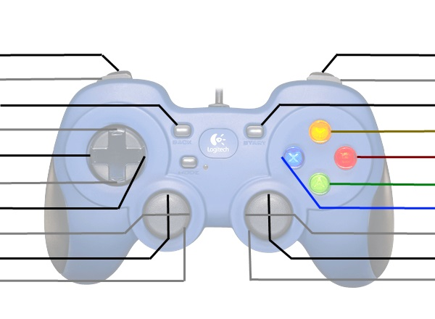
Auto Shoot?
Spin Up Flywheel?

Up-Shift
Left-Shift |  |  |  | Expel?
Down-Shift |  |  |  | Intake?
Right-Shift

Kill Everything |  |  |  | Kill Everything

 | These are typically used for debugging or manual override
 | *Shift | Right Vertical Axis | X
 | Up | - | -
 | Right | - | -
 | Down | - | -
 | Left | - | -

 | Driver Controller

 |  |  |  | Disable Auto-Shift?

 |  |  |  | Turn Left/Right
Drive Forwards/Backwards
Kill Everything |  |  |  | Kill Everything

